General Reporting Principles
General Reporting Principles
2015 refers to the period 1st January 2015 to 31st December 2015, unless otherwise indicated.
Workforce Data
The following tabs represent a snapshot of employee information held on the Electronic Staff Records (ESR) on the 31st December 2015. It shows that the Trust employs 5,573 staff inclusive of those on permanenet, fixed term, and zero hour bank contracts.
Wherever possible Staff have been analysed by:
- Agenda for Change Bandings 1 – 9
- Others
- Consultants
- Training Doctors
- Career Grade Doctors (Speciality, Staff Grade and Associate Specialist Doctors)
2011 census (ONS)
A census of the UK population is undertaken every ten years. The 2011 census was held in all countries of the UK on 27 March 2011 and provides comparative data against which to compare our workfroce demographics.
Black and Minority Ethnic Groups (BME)
As per the 2011 census (ONS) ethnic classification, the term black and minority ethnic (BME) is used in this report to refer to people from the following ethnic groups: Asian British, Asian Bangladeshi, Asian Pakistani, Asian Indian, Asian Other, Black British, African, Caribbean, Black Other; Chinese or Any Other Ethnic Group; Mixed White and Asian, Mixed White and Black, Any Other Group.
White
As per the 2011 census (ONS) ethnic classification term ‘White’ is used in this report and refers to White, White Irish and Other. The separation of White Irish and White Other from the BME figures in the 2012 report highlighted focused pieces of work that the Trust undertook throughout 2013. Further separation of White British and White Other in this year's report has pointed out further objectives to be achieved.
Key to the 2011 census ethnic classification breakdown
This Key shows the standard ethnic categories as per recommendation 61 of the Stephen Lawrence report (T.Cook, J. Sentamo & R.Stone, 1999) but this was added to in the 2011 census. It is a useful tool which aids consistency and comparison and has been used to categorise workforce ethnicity throughout this Performance Hub.
Gender reassignment
The Department of Health and NHS employers are currently working with McKesson, the service provider for our Electronic Staff Records (ESR) to update the fields to capture the workforce gender identity. Until then we cannot be assured that the data is secure and meets data protection requirements, therefore we are unable to capture and record our workforce gender identity.

Workforce Overview
Workforce by Ethnicity 2015
BME (%) | 10.1
White British (%) | 78.2
White Other (%) | 11.2
Unknown (%) | 0.5
Workforce by Gender 2015
Female | 77.5
Male | 22.5
Workforce by Disability 2015
Yes | 3.0
No | 59.2
Not Declared | 0.5
Undefined | 37.3

Workforce by Age 2015
16-25 | 9.8
26-35 | 24.1
36-45 | 23.0
46-55 | 25.8
56-65 | 15.1
>66 | 2.2
Workforce by Religious Belief 2015
Atheism | 11.8
Buddhism | 0.4
Christianity | 41.5
Hinduism | 0.5
Islam | 0.7
Jainism | 0.0
Judaism | 0.1
Other | 6.8
Sikhism | 0.1
Do not wish to disclose | 14.8
Undefined | 23.4
Workforce by Sexual Orientation 2015
LGB | 73
Heterosexual | 3639
Do not wish to disclose | 525
Undefined | 1336

Workforce by Relationship Status 2015
Single | 38.6
Married | 51.7
Civil Partnership | 0.3
Divorced | 5.8
Legally Separated | 1.0
Widowed | 0.7
Unknown | 1.6
Undefined | 0.5

1. Ethnicity
A = White - British E = Mixed - White & Black African J = Asian or Asian British - Pakistani N = Black or Black British - African
B = White - Irish F = Mixed - White & Asian K = Asian or Asian British - Bangladeshi P = Black or Black British - Other
C = White - Other G = Mixed - Other L = Asian or Asian British - Other R = Chinese
D = Mixed - White & Black Caribbean H = Asian or Asian British - Indian M = Black or Black British - Caribbean S = Any other Ethnic Group
Z = Not Stated/Unknown

Headcount | Ethnic Origin |  |  |  |  |  |  |  |  |  |  |  |  |  |  |  |  |  | BME (%) | White British (%) | White Other (%) | Unknown (%)
Payscale Summary | A | B | C | D | E | F | G | H | J | K | L | M | N | P | R | S | Z | Grand Total
Other | 18 |  | 1 |  |  |  |  |  |  |  |  |  |  |  |  |  | 1 | 20 | 0.0 | 90.0 | 5.0 | 5.0
AFC Band 1 | 263 |  | 79 |  | 1 |  |  | 8 |  |  | 18 | 4 | 7 | 2 | 1 | 11 | 2 | 396 | 13.1 | 66.4 | 19.9 | 0.5
AFC Band 2 | 912 | 1 | 141 | 5 | 1 | 8 |  | 38 | 5 | 1 | 30 | 8 | 15 |  | 1 | 29 | 8 | 1203 | 11.7 | 75.8 | 11.8 | 0.7
AFC Band 3 | 469 | 5 | 39 | 2 | 1 | 1 | 2 | 3 | 1 | 2 | 5 | 7 | 1 |  | 2 | 3 | 1 | 544 | 5.5 | 86.2 | 8.1 | 0.2
AFC Band 4 | 244 |  | 24 | 1 |  |  |  | 2 |  | 1 | 2 |  | 1 |  | 1 | 1 | 3 | 280 | 3.2 | 87.1 | 8.6 | 1.1
AFC Band 5 | 806 | 12 | 129 | 4 | 4 | 2 | 5 | 52 | 5 |  | 36 | 15 | 22 | 1 | 6 | 30 | 1 | 1130 | 16.1 | 71.3 | 12.5 | 0.1
AFC Band 6 | 639 | 20 | 60 | 2 | 2 | 3 | 3 | 13 |  |  | 3 | 6 | 4 |  | 2 | 5 | 3 | 765 | 5.6 | 83.5 | 10.5 | 0.4
AFC Band 7 | 392 | 4 | 29 |  |  | 2 | 4 | 3 |  |  | 6 | 2 | 1 | 1 | 2 | 1 | 1 | 448 | 4.9 | 87.5 | 7.4 | 0.2
AFC Band 8 | 174 | 3 | 14 |  |  |  |  |  |  |  | 1 |  | 1 |  | 1 |  |  | 194 | 1.5 | 89.7 | 8.8 | 0.0
AFC Band 9 | 2 |  |  |  |  |  |  |  |  |  |  |  |  |  |  |  |  | 2 | 0.0 | 100.0 | 0.0 | 0.0
Training Doctor | 230 | 8 | 29 |  |  |  | 3 | 9 | 2 |  | 6 |  | 4 |  | 5 | 5 | 5 | 306 | 11.1 | 75.2 | 12.1 | 1.6
Career Grade Doctor | 34 | 1 | 6 |  |  |  |  | 11 |  |  | 1 |  |  |  | 1 | 5 |  | 59 | 30.5 | 57.6 | 11.9 | 0.0
Consultant | 175 | 5 | 15 |  |  | 2 | 1 | 10 | 3 |  | 4 |  | 2 |  | 3 | 5 | 1 | 226 | 13.3 | 77.4 | 8.8 | 0.4
Grand Total | 4358 | 59 | 566 | 14 | 9 | 18 | 18 | 149 | 16 | 4 | 112 | 42 | 58 | 4 | 25 | 95 | 26 | 5573 | 10.1 | 78.2 | 11.2 | 0.5
2009 | 80.2 | 1.0 | 6.9 | 0.1 | 0.2 | 0.2 | 0.2 | 2.9 | 0.3 | 0.0 | 1.0 | 0.8 | 1.0 | 0.2 | 0.5 | 1.4 | 3.2 | 100 | 8.8 | 80.2 | 7.8 | 3.2
2010 | 81.6 | 0.9 | 6.4 | 0.2 | 0.2 | 0.2 | 0.3 | 2.7 | 0.2 | 0.0 | 1.5 | 0.7 | 0.9 | 0.4 | 0.5 | 1.5 | 1.9 | 100 | 9.2 | 81.6 | 7.3 | 1.9
2011 | 82.2 | 0.8 | 6.2 | 0.2 | 0.2 | 0.2 | 0.3 | 2.7 | 0.2 | 0.0 | 1.5 | 0.7 | 1.0 | 0.3 | 0.4 | 1.6 | 1.4 | 100 | 9.4 | 82.2 | 7.1 | 1.4
2012 | 81.6 | 0.9 | 6.6 | 0.2 | 0.2 | 0.2 | 0.3 | 2.7 | 0.3 | 0.0 | 1.8 | 0.8 | 1.0 | 0.3 | 0.3 | 1.6 | 1.2 | 100 | 9.7 | 81.6 | 7.5 | 1.2
2013 | 80.3 | 0.9 | 7.2 | 0.1 | 0.3 | 0.2 | 0.4 | 2.9 | 0.2 | 0.0 | 2.0 | 0.7 | 1.1 | 0.2 | 0.4 | 1.8 | 1.2 | 100 | 10.4 | 80.3 | 8.1 | 1.2
2014 | 76.7 | 1.0 | 11.2 | 0.2 | 0.2 | 0.3 | 0.3 | 2.8 | 0.2 | 0.1 | 1.9 | 0.6 | 0.9 | 0.1 | 0.3 | 1.8 | 1.4 | 100 | 9.8 | 76.7 | 12.2 | 1.4
2015 | 78.2 | 1.1 | 10.2 | 0.3 | 0.2 | 0.3 | 0.3 | 2.7 | 0.3 | 0.1 | 2.0 | 0.8 | 1.0 | 0.1 | 0.4 | 1.7 | 0.5 | 100 | 10.1 | 78.2 | 11.2 | 0.5
BANES Population | 90.1 | 0.7 | 3.8 | 0.5 | 0.2 | 0.5 | 0.4 | 0.6 | 0.1 | 0.1 | 0.7 | 0.4 | 0.3 | 0.1 | 1.1 | 0.4 | 0.0 | 100 | 5.4 | 90.1 | 4.5 | 0.0
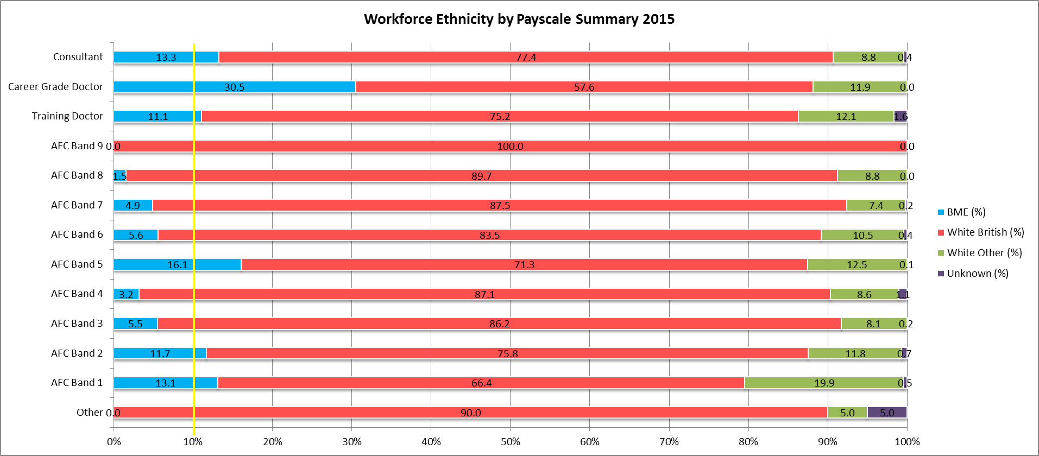
overall BME representation (10.1%)

Workforce Disribution By Ethnicity Group (%) 2009 - 2015
 | BME (%) | White British (%) | White Other (%) | Unknown (%)
2009 | 8.7722894036 | 80.180364829 | 7.849969256 | 3.1973765116
2010 | 9.2448512586 | 81.578947368 | 7.3226544622 | 1.8535469108
2011 | 9.3705965242 | 82.151244716 | 7.0690465007 | 1.4091122593
2012 | 9.7123130035 | 81.588032221 | 7.5258918297 | 1.1737629459
2013 | 10.352374699 | 80.345808711 | 8.0542788356 | 1.2475377544
2014 | 9.7896749522 | 76.653919694 | 12.198852772 | 1.3575525813
2015 | 10.120222501 | 78.198456846 | 11.214785573 | 0.46653507985
BANES Population | 5.4216662122 | 90.128170166 | 4.4501636215 | 0

2. Gender
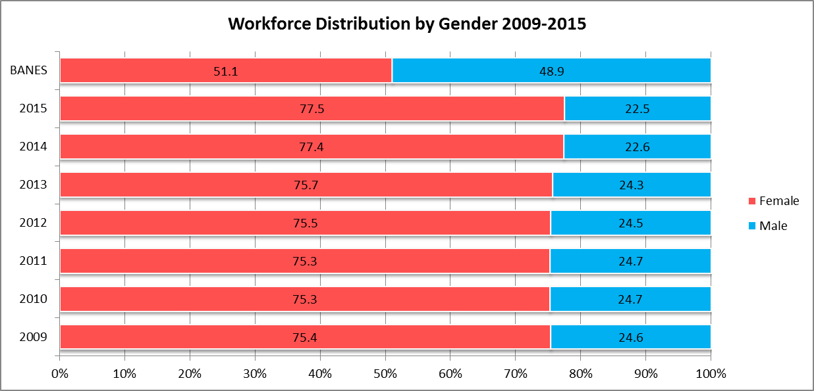
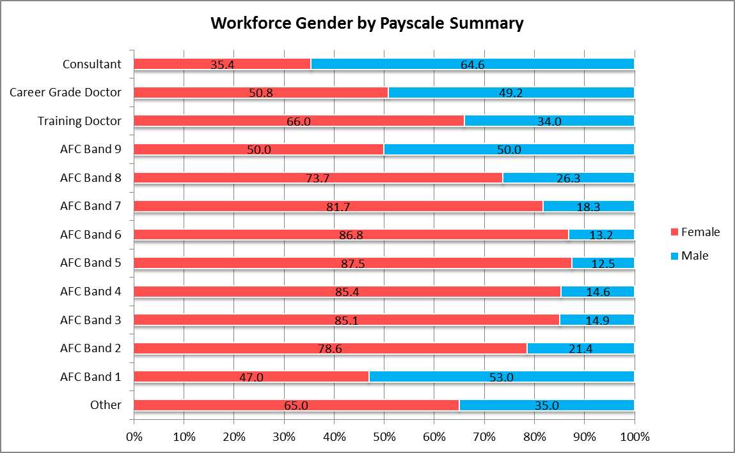
overall female representation (77.5%)
Payscale Summary | Gender - Headcount |  |  | Gender (%)
 | Female | Male | Total | Female | Male
Other | 13 | 7 | 20 | 65.0 | 35.0
AFC Band 1 | 186 | 210 | 396 | 47.0 | 53.0
AFC Band 2 | 945 | 258 | 1203 | 78.6 | 21.4
AFC Band 3 | 463 | 81 | 544 | 85.1 | 14.9
AFC Band 4 | 239 | 41 | 280 | 85.4 | 14.6
AFC Band 5 | 989 | 141 | 1130 | 87.5 | 12.5
AFC Band 6 | 664 | 101 | 765 | 86.8 | 13.2
AFC Band 7 | 366 | 82 | 448 | 81.7 | 18.3
AFC Band 8 | 143 | 51 | 194 | 73.7 | 26.3
AFC Band 9 | 1 | 1 | 2 | 50.0 | 50.0
Training Doctor | 202 | 104 | 306 | 66.0 | 34.0
Career Grade Doctor | 30 | 29 | 59 | 50.8 | 49.2
Consultant | 80 | 146 | 226 | 35.4 | 64.6
Grand Total | 4321 | 1252 | 5573 | 77.5 | 22.5
2009 | 3679 | 1200 | 4879 | 75.4 | 24.6
2010 | 3291 | 1079 | 4370 | 75.3 | 24.7
2011 | 3208 | 1050 | 4258 | 75.3 | 24.7
2012 | 3279 | 1066 | 4345 | 75.5 | 24.5
2013 | 3464 | 1111 | 4575 | 75.7 | 24.3
2014 | 4055 | 1182 | 5237 | 77.4 | 22.6
2015 | 4321 | 1252 | 5573 | 77.5 | 22.5
BANES | 89944 | 86072 | 176016 | 51.1 | 48.9

3. Disability
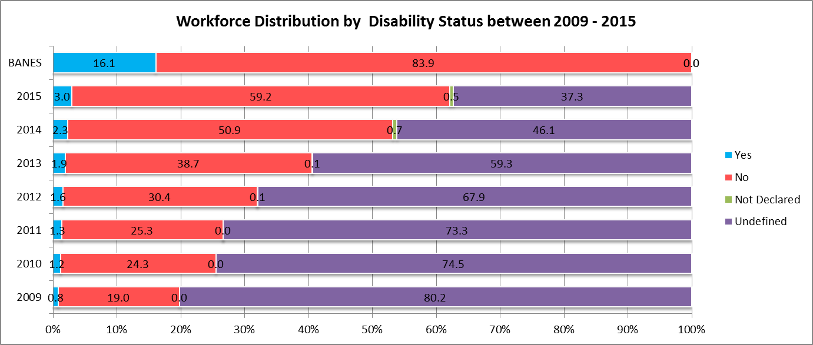
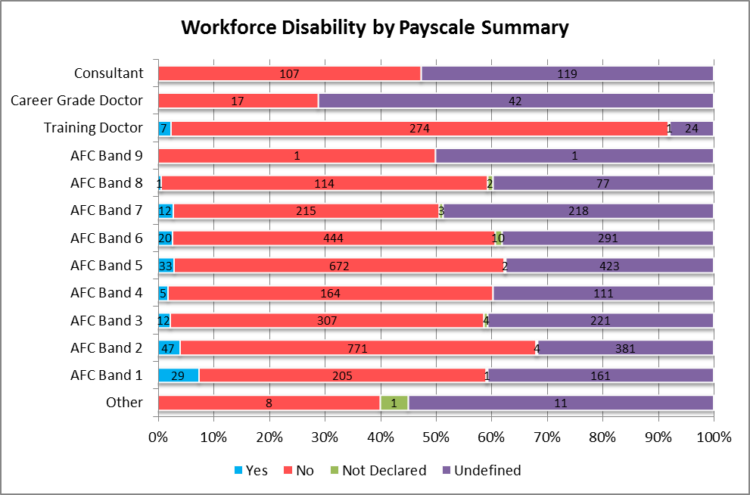
Headcount | Disabled
 | Yes | No | Not Declared | Undefined | Grand Total
Other |  | 8 | 1 | 11 | 20
AFC Band 1 | 29 | 205 | 1 | 161 | 396
AFC Band 2 | 47 | 771 | 4 | 381 | 1203
AFC Band 3 | 12 | 307 | 4 | 221 | 544
AFC Band 4 | 5 | 164 |  | 111 | 280
AFC Band 5 | 33 | 672 | 2 | 423 | 1130
AFC Band 6 | 20 | 444 | 10 | 291 | 765
AFC Band 7 | 12 | 215 | 3 | 218 | 448
AFC Band 8 | 1 | 114 | 2 | 77 | 194
AFC Band 9 |  | 1 |  | 1 | 2
Training Doctor | 7 | 274 | 1 | 24 | 306
Career Grade Doctor |  | 17 |  | 42 | 59
Consultant |  | 107 |  | 119 | 226
Grand Total | 166 | 3299 | 28 | 2080 | 5573
2009 | 0.8 | 19.0 | 0.0 | 80.2 | 100.0
2010 | 1.2 | 24.3 | 0.0 | 74.5 | 100.0
2011 | 1.3 | 25.3 | 0.0 | 73.3 | 100.0
2012 | 1.6 | 30.4 | 0.1 | 67.9 | 100.0
2013 | 1.9 | 38.7 | 0.1 | 59.3 | 100.0
2014 | 2.3 | 50.9 | 0.7 | 46.1 | 100.0
2015 | 3.0 | 59.2 | 0.5 | 37.3 | 100.0
BANES | 16.1 | 83.9 | 0.0 | 0.0 | 100.0

4. Age
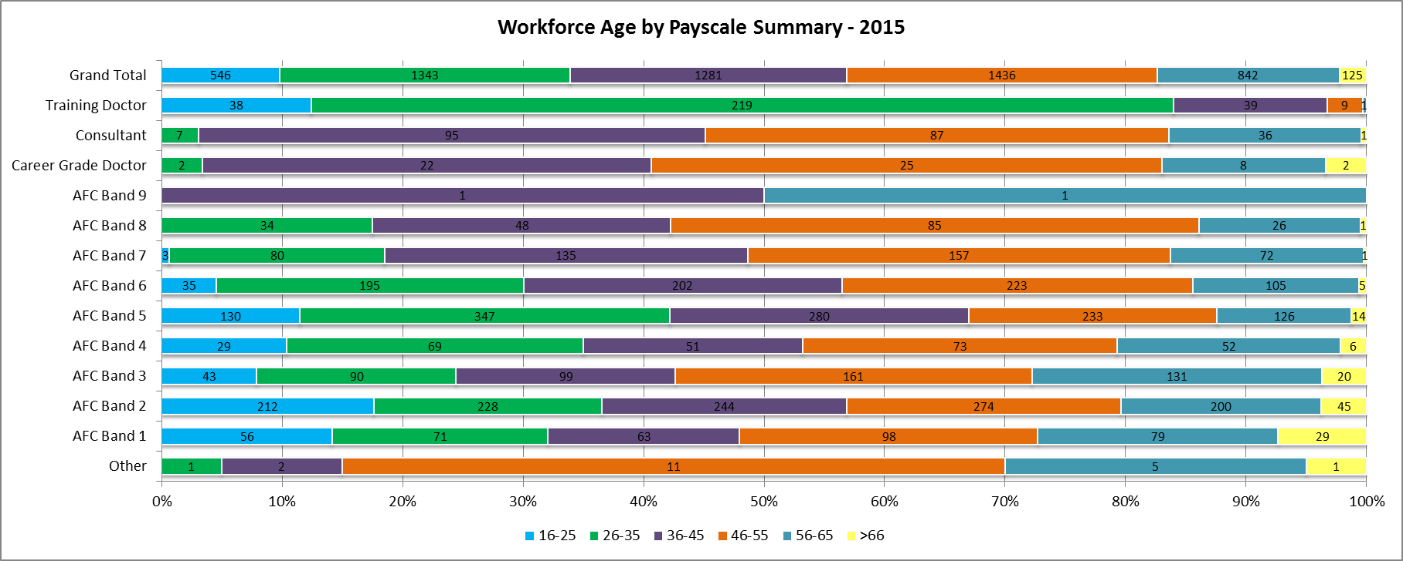
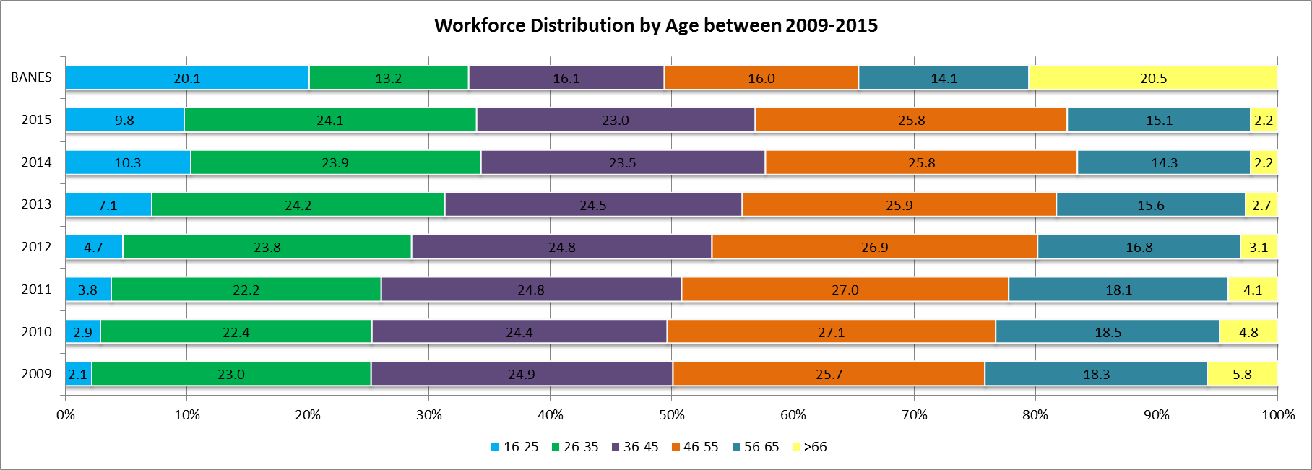
Headcount | Employee Age
Payscale Summary | 16-25 | 26-35 | 36-45 | 46-55 | 56-65 | >66 | Trust Total
Other |  | 1 | 2 | 11 | 5 | 1 | 20
AFC Band 1 | 56 | 71 | 63 | 98 | 79 | 29 | 396
AFC Band 2 | 212 | 228 | 244 | 274 | 200 | 45 | 1203
AFC Band 3 | 43 | 90 | 99 | 161 | 131 | 20 | 544
AFC Band 4 | 29 | 69 | 51 | 73 | 52 | 6 | 280
AFC Band 5 | 130 | 347 | 280 | 233 | 126 | 14 | 1130
AFC Band 6 | 35 | 195 | 202 | 223 | 105 | 5 | 765
AFC Band 7 | 3 | 80 | 135 | 157 | 72 | 1 | 448
AFC Band 8 |  | 34 | 48 | 85 | 26 | 1 | 194
AFC Band 9 |  |  | 1 |  | 1 |  | 2
Career Grade Doctor |  | 2 | 22 | 25 | 8 | 2 | 59
Consultant |  | 7 | 95 | 87 | 36 | 1 | 226
Training Doctor | 38 | 219 | 39 | 9 | 1 |  | 306
Grand Total | 546 | 1343 | 1281 | 1436 | 842 | 125 | 5573
2009 | 2.1 | 23.0 | 24.9 | 25.7 | 18.3 | 5.8 | 100.0
2010 | 2.9 | 22.4 | 24.4 | 27.1 | 18.5 | 4.8 | 100.0
2011 | 3.8 | 22.2 | 24.8 | 27.0 | 18.1 | 4.1 | 100.0
2012 | 4.7 | 23.8 | 24.8 | 26.9 | 16.8 | 3.1 | 100.0
2013 | 7.1 | 24.2 | 24.5 | 25.9 | 15.6 | 2.7 | 100.0
2014 | 10.3 | 23.9 | 23.5 | 25.8 | 14.3 | 2.2 | 100.0
2015 | 9.8 | 24.1 | 23.0 | 25.8 | 15.1 | 2.2 | 100.0
BANES | 20.1 | 13.2 | 16.1 | 16.0 | 14.1 | 20.5 | 100.0

5. Religious Belief
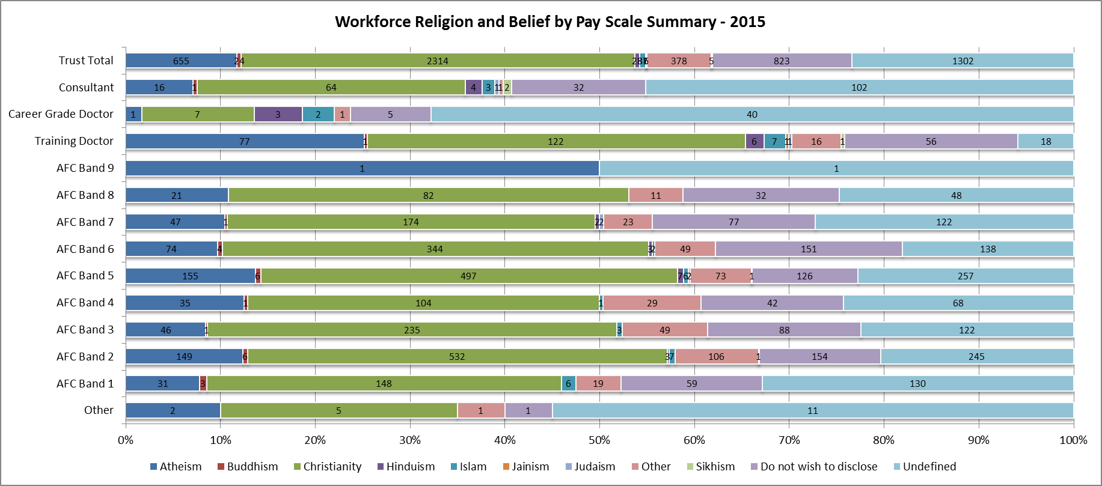
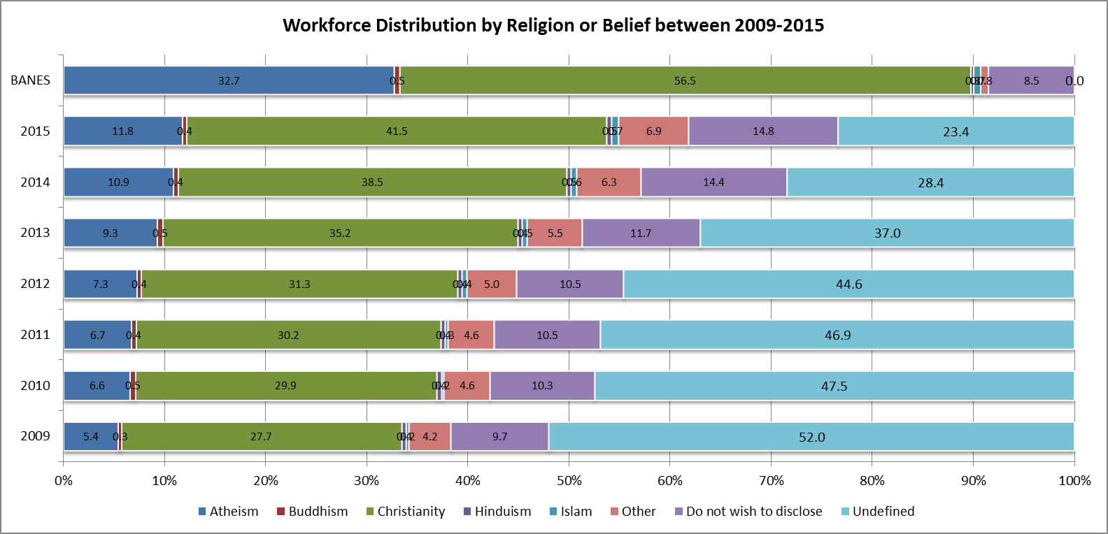
Headcount | Religious Belief
Payscale Summary | Atheism | Buddhism | Christianity | Hinduism | Islam | Jainism | Judaism | Other | Sikhism | Do not wish to disclose | Undefined | TrustTotal
Other | 2 |  | 5 |  |  |  |  | 1 |  | 1 | 11 | 20
AFC Band 1 | 31 | 3 | 148 |  | 6 |  |  | 19 |  | 59 | 130 | 396
AFC Band 2 | 149 | 6 | 532 | 3 | 7 |  |  | 106 | 1 | 154 | 245 | 1203
AFC Band 3 | 46 | 1 | 235 |  | 3 |  |  | 49 |  | 88 | 122 | 544
AFC Band 4 | 35 | 1 | 104 |  | 1 |  |  | 29 |  | 42 | 68 | 280
AFC Band 5 | 155 | 6 | 497 | 7 | 6 |  | 2 | 73 | 1 | 126 | 257 | 1130
AFC Band 6 | 74 | 4 | 344 | 3 | 2 |  |  | 49 |  | 151 | 138 | 765
AFC Band 7 | 47 | 1 | 174 | 2 |  |  | 2 | 23 |  | 77 | 122 | 448
AFC Band 8 | 21 |  | 82 |  |  |  |  | 11 |  | 32 | 48 | 194
AFC Band 9 | 1 |  |  |  |  |  |  |  |  |  | 1 | 2
Training Doctor | 77 | 1 | 122 | 6 | 7 | 1 | 1 | 16 | 1 | 56 | 18 | 306
Career Grade Doctor | 1 |  | 7 | 3 | 2 |  |  | 1 |  | 5 | 40 | 59
Consultant | 16 | 1 | 64 | 4 | 3 |  | 1 | 1 | 2 | 32 | 102 | 226
Grand Total | 655 | 24 | 2314 | 28 | 37 | 1 | 6 | 378 | 5 | 823 | 1302 | 5573
2009 | 5.4 | 0.3 | 27.7 | 0.4 | 0.2 | 0.0 | 0.0 | 4.1 | 0.0 | 9.7 | 52.0 | 100
2010 | 6.6 | 0.5 | 29.9 | 0.4 | 0.2 | 0.0 | 0.0 | 4.5 | 0.0 | 10.3 | 47.5 | 100
2011 | 6.7 | 0.4 | 30.2 | 0.4 | 0.3 | 0.0 | 0.0 | 4.5 | 0.0 | 10.5 | 46.9 | 100
2012 | 7.3 | 0.4 | 31.3 | 0.4 | 0.4 | 0.0 | 0.0 | 4.9 | 0.0 | 10.5 | 44.6 | 100
2013 | 9.3 | 0.5 | 35.2 | 0.4 | 0.5 | 0.0 | 0.1 | 5.2 | 0.1 | 11.7 | 37.0 | 100
2014 | 10.9 | 0.4 | 38.5 | 0.5 | 0.6 | 0.0 | 0.1 | 6.0 | 0.2 | 14.4 | 28.4 | 100
2015 | 11.8 | 0.4 | 41.5 | 0.5 | 0.7 | 0.0 | 0.1 | 6.8 | 0.1 | 14.8 | 23.4 | 100
BANES | 32.7 | 0.5 | 56.5 | 0.3 | 0.7 | 0.0 | 0.1 | 0.5 | 0.1 | 8.5 | 0.0 | 100

6. Sexual Orientation
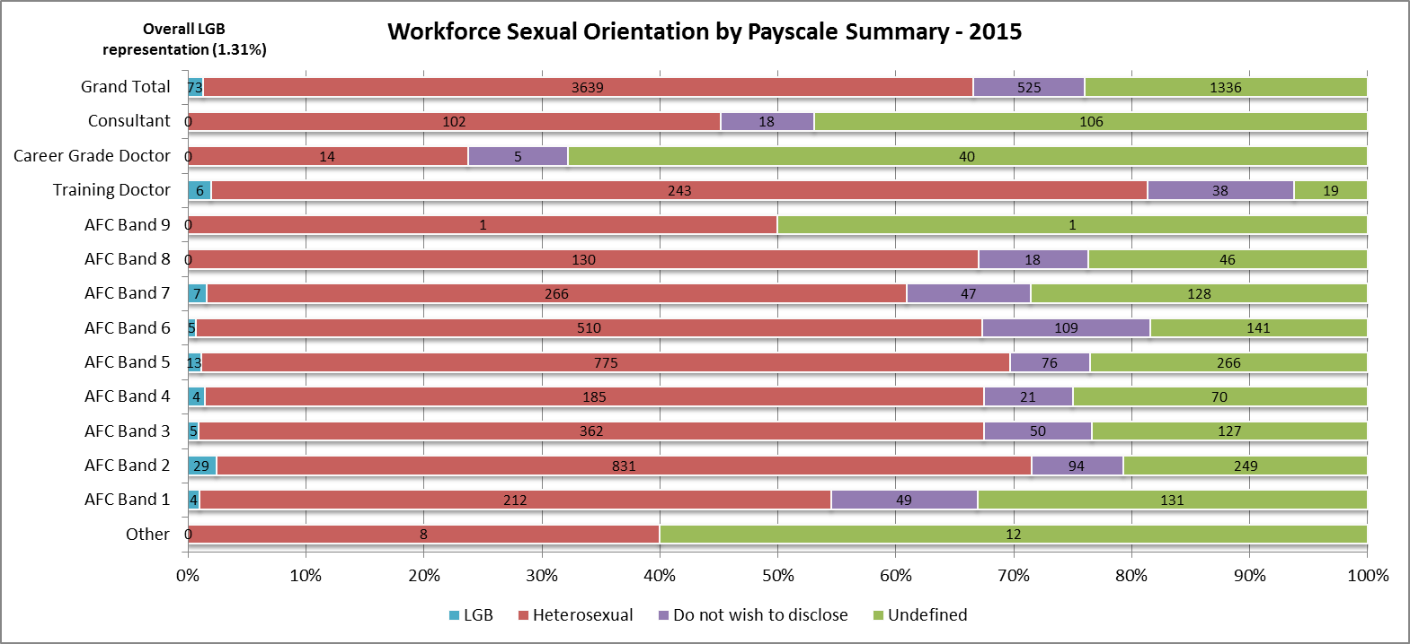
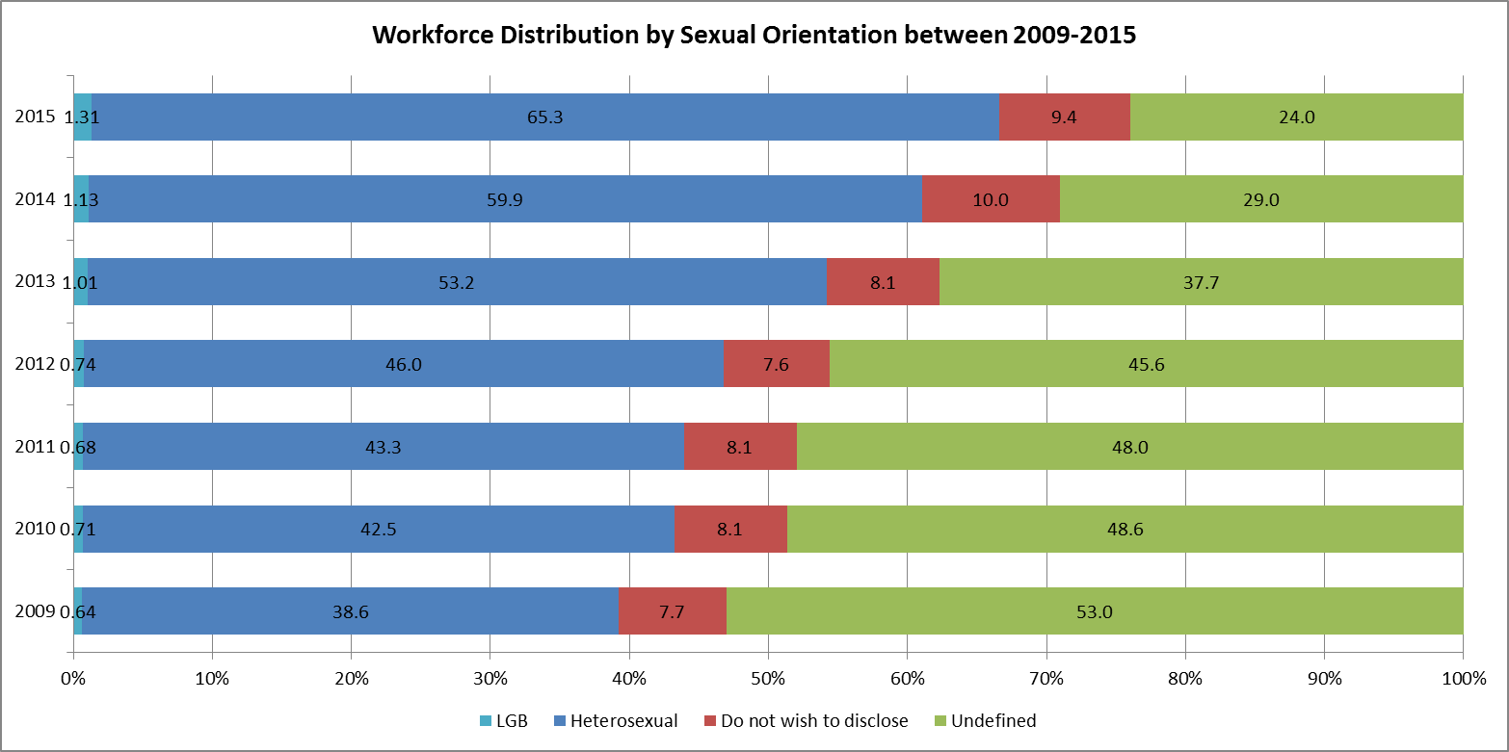
Headcount | Sexual Orientation |  |  |  |  |  |  | LGB
Payscale Summary | Bisexual | Gay | Lesbian | Heterosexual | Do not wish to disclose | Undefined | Trust Total
Other |  |  |  | 8 |  | 12 | 20 | 0
AFC Band 1 | 2 | 2 |  | 212 | 49 | 131 | 396 | 4
AFC Band 2 | 10 | 14 | 5 | 831 | 94 | 249 | 1203 | 29
AFC Band 3 | 1 | 3 | 1 | 362 | 50 | 127 | 544 | 5
AFC Band 4 | 3 | 1 |  | 185 | 21 | 70 | 280 | 4
AFC Band 5 | 7 | 4 | 2 | 775 | 76 | 266 | 1130 | 13
AFC Band 6 | 2 | 1 | 2 | 510 | 109 | 141 | 765 | 5
AFC Band 7 | 2 | 1 | 4 | 266 | 47 | 128 | 448 | 7
AFC Band 8 |  |  |  | 130 | 18 | 46 | 194 | 0
AFC Band 9 |  |  |  | 1 |  | 1 | 2 | 0
Training Doctor | 2 | 4 |  | 243 | 38 | 19 | 306 | 6
Career Grade Doctor |  |  |  | 14 | 5 | 40 | 59 | 0
Consultant |  |  |  | 102 | 18 | 106 | 226 | 0
Grand Total | 29 | 30 | 14 | 3639 | 525 | 1336 | 5573 | 73
2009 | 0.1 | 0.4 | 0.1 | 38.6 | 7.7 | 53.0 | 100.0 | 0.64
2010 | 0.2 | 0.4 | 0.2 | 42.5 | 8.1 | 48.6 | 100.0 | 0.71
2011 | 0.2 | 0.3 | 0.2 | 43.3 | 8.1 | 48.0 | 100.0 | 0.68
2012 | 0.2 | 0.3 | 0.3 | 46.0 | 7.6 | 45.6 | 100.0 | 0.74
2013 | 0.4 | 0.4 | 0.3 | 53.2 | 8.1 | 37.7 | 100.0 | 1.01
2014 | 0.5 | 0.4 | 0.2 | 59.9 | 10.0 | 29.0 | 100.0 | 1.13
2015 | 0.5 | 0.5 | 0.3 | 65.3 | 9.4 | 24.0 | 100.0 | 1.31

7. Relationship Status
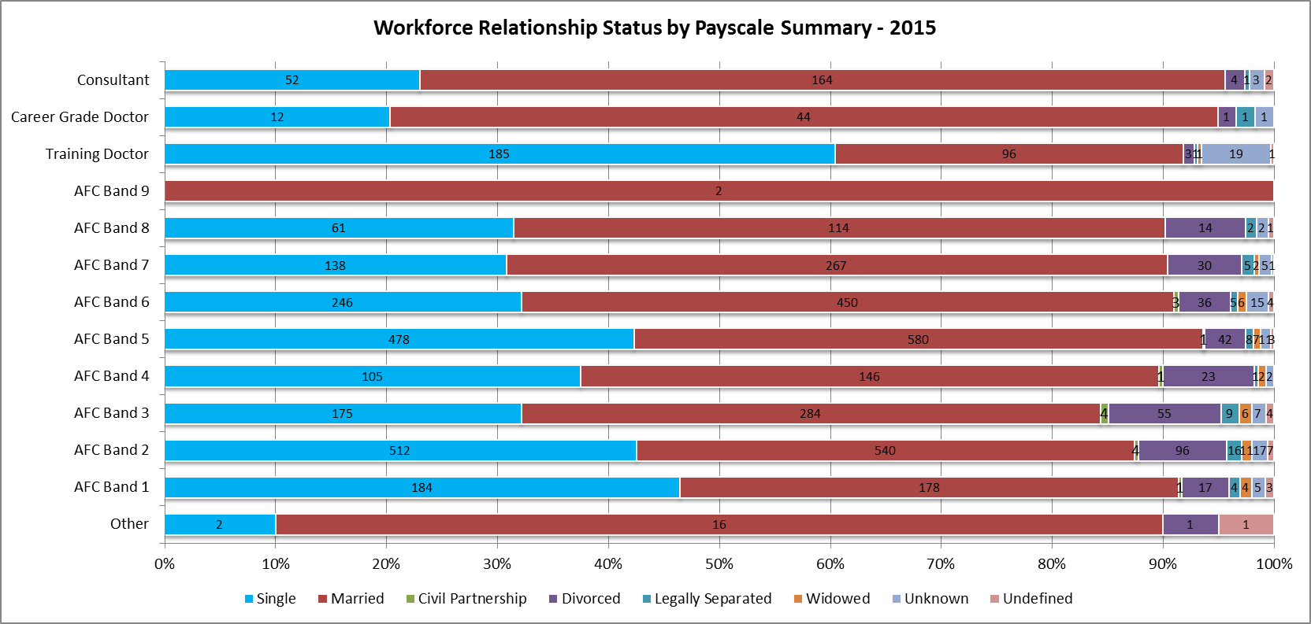
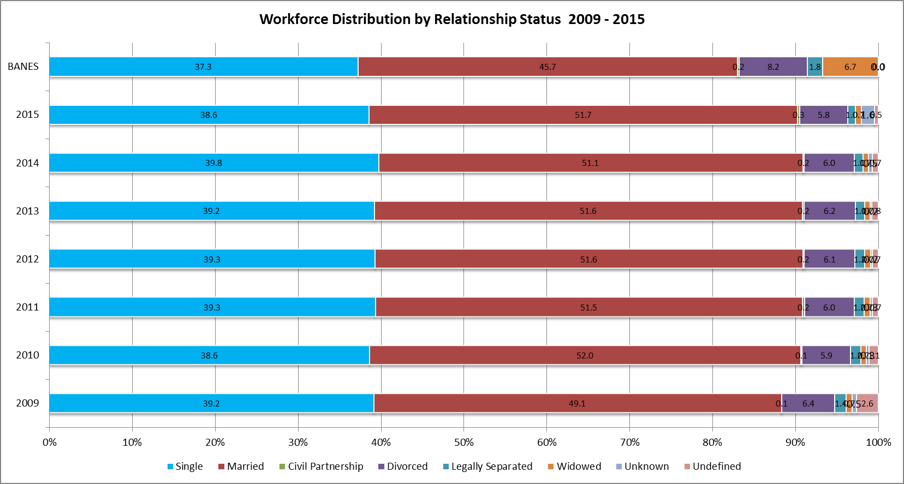
Headcount | Marital Status
Payscale Summary | Single | Married | Civil Partnership | Divorced | Legally Separated | Widowed | Unknown | Undefined | Grand Total
Other | 2 | 16 |  | 1 |  |  |  | 1 | 20
AFC Band 1 | 184 | 178 | 1 | 17 | 4 | 4 | 5 | 3 | 396
AFC Band 2 | 512 | 540 | 4 | 96 | 16 | 11 | 17 | 7 | 1203
AFC Band 3 | 175 | 284 | 4 | 55 | 9 | 6 | 7 | 4 | 544
AFC Band 4 | 105 | 146 | 1 | 23 | 1 | 2 | 2 |  | 280
AFC Band 5 | 478 | 580 | 1 | 42 | 8 | 7 | 11 | 3 | 1130
AFC Band 6 | 246 | 450 | 3 | 36 | 5 | 6 | 15 | 4 | 765
AFC Band 7 | 138 | 267 |  | 30 | 5 | 2 | 5 | 1 | 448
AFC Band 8 | 61 | 114 |  | 14 | 2 |  | 2 | 1 | 194
AFC Band 9 |  | 2 |  |  |  |  |  |  | 2
Training Doctor | 185 | 96 |  | 3 | 1 | 1 | 19 | 1 | 306
Career Grade Doctor | 12 | 44 |  | 1 | 1 |  | 1 |  | 59
Consultant | 52 | 164 |  | 4 | 1 |  | 3 | 2 | 226
Grand Total | 2150 | 2881 | 14 | 322 | 53 | 39 | 87 | 27 | 5573
2009 | 39.2 | 49.1 | 0.1 | 6.4 | 1.4 | 0.7 | 0.5 | 2.6 | 100
2010 | 38.6 | 52.0 | 0.1 | 5.9 | 1.2 | 0.7 | 0.3 | 1.1 | 100
2011 | 39.3 | 51.5 | 0.2 | 6.0 | 1.2 | 0.7 | 0.3 | 0.7 | 100
2012 | 39.3 | 51.6 | 0.2 | 6.1 | 1.2 | 0.7 | 0.2 | 0.7 | 100
2013 | 39.2 | 51.6 | 0.2 | 6.2 | 1.1 | 0.7 | 0.2 | 0.8 | 100
2014 | 39.8 | 51.1 | 0.2 | 6.0 | 1.1 | 0.7 | 0.5 | 0.7 | 100
2015 | 38.6 | 51.7 | 0.3 | 5.8 | 1.0 | 0.7 | 1.6 | 0.5 | 100
BANES | 37.3 | 45.7 | 0.2 | 8.2 | 1.8 | 6.7 | 0.0 | 0.0 | 100
Trust Total | 38.6 | 51.7 | 0.3 | 5.8 | 1.0 | 0.7 | 1.6 | 0.5 | 100

